Sheet1
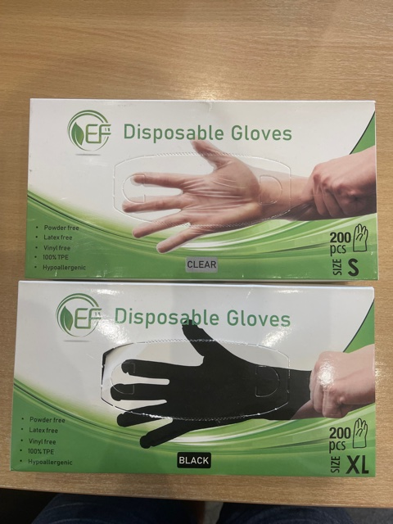
 | Box Sizes | Remaining Boxes | Remaining Cartons | Approx in pallets

TPE Clear Packed Small | 100 | 90 | 9 | 0.021428571429
TPE Clear Packed Medium | 100 | 2470 | 247 | 0.5880952381
TPE Clear Packed Xlarge | 100 | 6000 | 600 | 1.4285714286
 |  |  | Pallets left clear 100's | 2.0380952381

TPE Clear Packed Small | 200 | 4745 | 949 | 4.519047619
TPE Clear Packed Medium | 200 | 32100 | 6420 | 30.571428571
TPE Clear Packed Large | 200 | 27935 | 5587 | 26.604761905
TPE Clear Packed Xlarge | 200 | 11050 | 2210 | 10.523809524
 |  |  | Pallets left clear 200's | 72.219047619

TPE Black Packed Large | 200 | 440 | 88 | 0.41904761905
 |  |  | Pallets left clear 200's | 0.41904761905
Note: All Blue are Now sold |  | 84830
